Cover
 | DFA Dependant failure analysis for ICs and IPs CONFIDENTIAL |  | 0.1
 |  |  | Analysis Version |  | GENERAL HINTS FOR THIS TEMPLATE: - Please fill only green cells. - Select adequate content in drop down cells. - Don't change blue cells (fixed content or formulas inside). - If possible please avoid copy & paste as well as inserting or deleting of rows or columns (formulas could be affected). - Don't use cut & paste function in whole spreadsheet. - Fill content complete and comprehensible. - Please read comments carefully.
 |  |  | 2023-11-15 |  |  | Attendant
 |  |  | Version Date |  |  | Absent
 |  |  | 0.8
 |  |  | Template Version
 |  |  | draft
 |  |  | Status
Notice about reporting requirements: The user of this document is obliged to inform himself/herself about the currently applicable version of the standard.
Project designation: | DFA Template
Customer / Order Number:

1. Change Record (DFA)
Version | Change Description | State | Date | Author
V0.1 | Initial version. | Draft | 2023-11-15 | Peipei,He

2. Change Record (Template)
Version | Change Description | State | Date | Author
0.1 | Initial version (based on DFA template version 0.6 - DFA_Template_v0_6.xlsx). | Draft | 2016-10-24 | W. Ruf
0.2 | Update to current SGS look-and-feel, new sheet 'Cut Set based Analysis', redesigned sheet 'Block based Analysis' | Draft | 2020-01-14 | R. Hankammer
0.3 | Update of "Block based Analysis" sheet. Implementation ok ISO 26262-11 known DFI as suggestions/examples. Adding of measure status, measure related to information | Draft | 2020-02-10 | R. Pason
0.4 | Update of "Block based Analysis" sheet according to suggestions made in project R086. Sheet "Cut Set Based Analysis" added columns for consistency: - Verification method - Measure assigned to - Measure status | Draft | 2020-02-20 | R. Pason
0.5 | Adding of "Coexistence Analysis" sheet according to suggestions made in project R086. Update of "DFI examples" sheet in view of "Cascading Path and Coupling Type" (line 25 and ff.) | Draft | 2020-05-02 | Liu Min Charles Wu R. Pason
0.6 | Change the template format. | Draft | 2023-08-09 | Peipei,He
0.7 | Change the template fVersion. | Draft | 2023-08-16 | Peipei,He
0.8 | Add the discription of SW related DFI. | Draft | 2023-09-16 | Peipei,He

Definitions
Definitions according to ISO 26262
No. | Term | Description | Figure
3.3 | ASIL decomposition | apportioning of redundant safety (3.132) requirements to elements (3.41), with sufficient independence (3.78), conducing to the same safety goal (3.139), with the objective of reducing the ASIL (3.6) of the redundant safety (3.132) requirements that are allocated to the corresponding elements (3.41) Note 1 to entry: ASIL decomposition is a basis for methods of ASIL (3.6) tailoring during the design process (defined as requirements decomposition with respect to ASIL (3.6) tailoring in ISO 26262-9). Note 2 to entry: ASIL Decomposition does not apply to random hardware failure requirements per ISO 26262-9:2018. Note 3 to entry: Reducing the ASIL (3.6) of the redundant safety (3.132) requirements has some exclusions, e.g. confirmation measures (3.23) remain at the level of the safety goal (3.139).
3.8 | Base Failure Rate BFR | failure rate (3.53) of a hardware element (3.41) in a given application use case used as an input to safety (3.132) analyses
3.17 | cascading failure | failure (3.50) of an element (3.41) of an item (3.84) resulting from a root cause (inside or outside of the element ( 3.41)) and then causing a failure of another element (3.41) or elements (3.41) of the same or different item (3.84) Note to entry: Cascading failures are dependent failures (3.29) that could be one of the possible root causes of a common cause failure (3.18). | 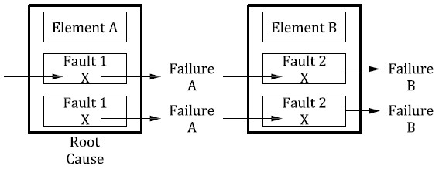
3.18 | common cause failure | failure (3.50) of two or more elements (3.41) of an item (3.84) resulting directly from a single specific event or root cause which is either internal or external to all of these elements (3.41) Note to entry: Common cause failures are dependent failures (3.29) that are not cascading failures (3.17). See Figure 3. | 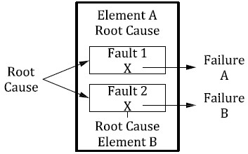
3.19 | Common Mode Failure CMF | case of CCF (3.18) in which multiple elements (3.41) fail in the same manner Note to entry: Failure (3.50) in the same manner does not necessarily mean that they need to fail exactly the same. How close the failure modes (3.51) need to be in order to be classified as common mode failure depends on the context EXAMPLE 1 A system (3.163) has two temperature sensors which are compared with each other. If the difference between the two temperature sensors is larger than or equal to 5°C it is handled as a fault (3.54) and the system (3.163) is switched into a safe state (3.131). A common mode failure lets both temperature sensors fail in such a way that the difference between the two sensors is smaller than 5°C and therefore is not detected. EXAMPLE 2 In a CPU lockstep architecture (3.1) where the outputs of both CPUs is compared cycle by cycle, both CPUs need to fail exactly the same way in order for the failure (3.50) to go undetected. In this context, a common mode failure lets both CPU fail exactly the same way. EXAMPLE 3 An over voltage failure (3.50) due to lots of parts not meeting their specification for over voltage is a common mode failure.
3.21 | component | non-system level element (3.41) that is logically or technically separable and is comprised of more than one hardware part (3.71) or one or more software units (3.159) EXAMPLE A microcontroller Note to entry: A component is a part of a system (3.163).
3.26 | coupling factors | common characteristic or relationship of elements (3.41) that leads to a dependence in their failures (3.50)
3.29 | dependent failures | failures (3.50) that are not statistically independent, i.e. the probability of the combined occurrence of the failures (3.50) is not equal to the product of the probabilities of occurrence of all considered independent failures (3.50) Note 1 to entry: Dependent failures can manifest themselves simultaneously, or within a sufficiently short time interval, to have the effect of simultaneous failures (3.50). Note 2 to entry: Dependent failures include common cause failures (3.18) and cascading failures (3.17). Note 3 to entry: Whether a given failure (3.50) is a cascading failure (3.17) or a common cause failure (3.18) may depend on the hierarchical structure of the elements (3.41). Note 4 to entry: Whether a given failure (3.50) is a cascading failure (3.17) or a common cause failure (3.18) may depend on the temporal behaviour of the elements (3.41). Note 5 to entry: Dependent failures can include software failures (3.50) even if the probability of the failure (3.50) is not calculated.
3.31 | detected fault | fault (3.54) whose presence is detected within a prescribed time by a safety mechanism (3.142) Note to entry: The prescribed time can be the fault detection time interval (3.55) or the multiple-point fault detection time interval (3.98).
3.33 | diagnostic coverage | percentage of the failure rate (3.53) of a hardware element (3.41), or percentage of the failure rate (3.53) of a failure mode (3.51) of a hardware element (3.41) that is detected or controlled by the implemented safety mechanism (3.142) Note 1 to entry: Diagnostic coverage can be assessed with regard to residual faults (3.125) or with regard to latent multiple-point faults (3.97) that might occur in a hardware element (3.41). Note 2 to entry: Safety mechanisms (3.142) implemented at different levels in the architecture (3.1) can be considered. Note 3 to entry: Except when it is explicitly mentioned, the proportion of safe faults (3.130) of a safety-related hardware element (3.41) is not considered when determining the diagnostic coverage of the safety mechanism (3.142).
3.37 | diversity | different solutions satisfying the same requirement, with the goal of achieving independence (3.78) Note 1 to entry: Diversity does not guarantee independence (3.78), but can deal with certain types of common cause failures (3.18). Note 2 to entry: Diversity can be a technical solution (diverse hardware components (3.21), diverse SW components (3.21)) or a technical means (e.g. diverse compiler) to apply. Note 3 to entry: Diversity is one of a way to realize of redundancy (3.122). EXAMPLE Diverse programming; diverse hardware.
3.38 | dual-point failure | failure (3.50) resulting from the combination of two independent hardware faults (3.54) that leads directly to the violation of a safety goal (3.139) Note 1 to entry: Dual-point failures are multiple-point failures (3.96) of order 2. Note 2 to entry: Dual-point failures that are addressed in the ISO 26262 series of standards include those where one fault (3.54) affects a safety-related element (3.144) and another fault (3.54) affects the corresponding safety mechanism (3.142) intended to achieve or maintain a safe state (3.131).
3.39 | dual-point fault | individual fault (3.54) that, in combination with another independent fault (3.54), leads to a dual-point failure (3.38) Note 1 to entry: A dual-point fault can only be recognized after the identification of a dual-point failure (3.38), e.g. from cut set analysis of a fault tree. Note 2 to entry: See also multiple-point fault (3.97).
3.41 | element | system (3.163), components (3.21) (hardware or software), hardware parts (3.71), or software units (3.159) Note 1 to entry: When “software element” or “hardware element” is used, this phrase denotes an element of software only or an element of hardware only, respectively. Note 2 to entry: An element may also be a SEooC (3.138).
3.46 | error | discrepancy between a computed, observed or measured value or condition, and the true, specified or theoretically correct value or condition Note to entry: An error can arise as a result of a fault (3.54) within the system (3.163) or component (3.21) being considered.
3.49 | external measure | measure that is separate and distinct from the item (3.84) which reduces or mitigates the risks (3.128) resulting from the item (3.84)
3.50 | failure | termination of an intended behavior of an element (3.41) or an item (3.84) due to a fault (3.54) activation Note to entry: Termination can be permanent or transient.
3.51 | failure mode | manner in which an element (3.41) or an item (3.84) fails to provide the intended behavior
3.52 | Failure Mode Coverage FMC | proportion of the failure rate (3.53) of a failure mode (3.51) of a hardware element (3.41) that is detected or controlled by the implemented safety mechanism (3.142)
3.53 | failure rate | probability density of failure (3.50) divided by probability of survival for a hardware element (3.41) Note to entry: The failure rate is assumed to be constant and is generally denoted as “λ”.
3.54 | fault | abnormal condition that can cause an element (3.41) or an item (3.84) to fail Note 1 to entry: Permanent, intermittent, and transient faults (3.173) (especially soft errors) are considered. Note 2 to entry: When a subsystem is in an error (3.46) state it could result in a fault for the system (3.163). Note 3 to entry: An intermittent fault occurs from time to time and then disappears again. This type of fault can occur when a component (3.21) is on the verge of breaking down or, for example, due to an internal malfunction in a switch. Some systematic faults (3.165) (e.g. timing irregularities) could lead to intermittent faults.
3.57 | fault injection | method to evaluate the effect of a fault (3.54) within an element (3.41) by inserting faults (3.54), errors (3.46), or failures (3.50) in order to observe the reaction by observation points (3.101) Note to entry: Fault injection can be performed at various levels of abstraction including item (3.84) or element (3.41) level depending on the scope, feasibility, observability and level of required detail. Depending on purpose, it can be performed at different stages of the safety lifecycle and by considering different fault models (3.58). EXAMPLE 1 Injecting faults (3.54) during operation to verify that a safety mechanism (3.142) is working properly as part of a strategy to detect latent faults (3.85). EXAMPLE 2 Injecting faults (3.54) during integration test through hardware debug ports or through dedicated software commands to test the hardware-software interface (HSI). EXAMPLE 3 Simulating stuck-at faults (3.54) or transient faults at hardware component level to verify the diagnostic coverage (3.33) of a safety mechanism (3.142) or to identify faults (3.54) which may result in errors (3.46) or failures (3.50).
3.60 | fault tolerance | ability to deliver a specified functionality in the presence of one or more specified faults (3.54) Note to entry: Specified functionality can be intended functionality (3.83).
3.61 | Fault Tolerant Time Interval FTTI | Minimum time span from the occurrence of a fault (3.54) in an item (3.84) to a possible occurrence of a hazardous event (3.77), if the safety mechanisms (3.142) are not activated See Figure 5. Note 1 to entry: The minimum time span is to be evaluated over all hazardous events (3.77). It can depend on the characterization of the hazards (3.75). Note 2 to entry: FTTI is related to a hazard (3.75) caused by a malfunctioning behaviour (1.86) of the item (3.84). FTTI is a relevant attribute for safety goals (3.139) derived from this hazard (3.75). Note 3 to entry: A fault (3.54) is timely covered by a safety mechanism (3.142), if the item (3.84) is maintained in a safe state (3.131), or if the item (3.84) is transitioned to a safe state (3.131), or is transitioned to an emergency operation (3.43), within the relevant fault tolerant time interval. Note 4 to entry: The occurrence of a hazardous event (3.77) is dependent on a fault (3.54) being present and a vehicle being in a scenario that allows the fault (3.54) to affect vehicle behaviour. EXAMPLE A failure (3.50) in the brake system (3.163) may not result in a hazardous event (3.77) until the brakes are applied. Note 5 to entry: While the FTTI is defined only at the item (3.84) level, at the element (3.41) level the maximum fault handling time interval (3.56) and the state to be achieved after fault handling to support the functional safety concept (3.68) can be specified. Note 6 to entry: The fault detection time interval (3.55) may include multiple diagnostic test time intervals (3.35) to allow de-bouncing of errors (3.46) if the diagnostic test time interval (3.35) is sufficiently shorter than the fault detection time interval (3.55). | 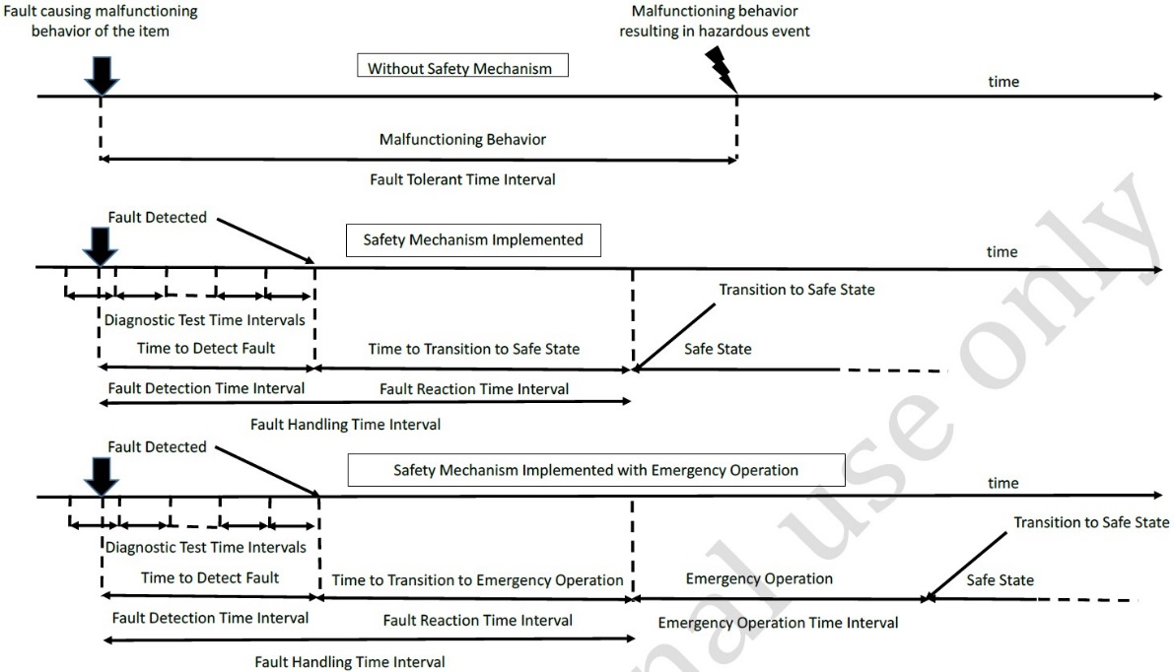
3.65 | freedom from interference | absence of cascading failures (3.17) between two or more elements (3.41) that could lead to the violation of a safety (3.132) requirement EXAMPLE 1 Element (3.41) 1 is free of interference from element (3.41) 2 if no failure (3.50) of element (3.41) 2 can cause element (3.41) 1 to fail. EXAMPLE 2 Element (3.41) 3 interferes with element (3.41) 4 if there exists a failure (3.50) of element (3.41) 3 that causes element (3.41) 4 to fail.
3.67 | functional safety | absence of unreasonable risk (3.176) due to hazards (3.75) caused by malfunctioning behaviour (3.88) of E/E systems (3.40)
3.70 | hardware architectural metrics | metrics for the evaluation of the effectiveness of the hardware architecture (3.1) with respect to safety (3.132) Note to entry: The single-point fault (3.156) metric and the latent fault (3.85) metric are the hardware architectural metrics.
3.75 | hazard | potential source of harm (3.74) caused by malfunctioning behaviour (3.88) of the item (3.84) Note to entry: This definition is restricted to the scope of the ISO 26262 series of standards; a more general definition is potential source of harm (3.74).
3.78 | independence | absence of dependent failures (3.29) between two or more elements (3.41) that could lead to the violation of a safety (3.132) requirement, or organizational separation of the parties performing an action Note to entry: ASIL decomposition (3.3) or confirmation measures (3.23) include requirements on independence.
3.79 | independent failures | failures (3.50) whose probability of simultaneous or successive occurrence can be expressed as the simple product of their unconditional probabilities Note to entry: Independent failures can include software failures 3.50) even if their probability of failure is not calculated.
3.84 | item | system (3.163) or combination of systems (3.163), to which ISO 26262 is applied, that implements a function or part of the function at the vehicle level
3.85 | latent fault | multiple-point fault (3.97) whose presence is not detected by a safety mechanism (3.142) nor perceived by the driver within the multiple-point fault detection time interval (3.98)
3.95 | multi-core | hardware component (3.21) which includes two or more hardware processing elements (3.113) which can operate independently from each other
3.96 | multiple-point failure | failure (3.50), resulting from the combination of several independent hardware faults (3.54), which leads directly to the violation of a safety goal (3.139)
3.97 | multiple-point fault | individual fault (3.54) that, in combination with other independent faults (3.54), if undetected and not perceived, could lead to a multiple-point failure (3.96) Note to entry: A multiple-point fault can only be recognized after the identification of a multiple-point failure (3.96), e.g. from cut set analysis of a fault tree.
3.108 | perceived fault | fault (3.50) that may be perceived indirectly (through deviating behaviour on vehicle level)
3.109 | permanent fault | fault (3.54) that occurs and stays until removed or repaired Note to entry: Direct current (d.c.) faults (3.54), e.g. stuck-at and bridging faults (3.54), are permanent faults (3.109).
3.115 | proven in use argument | evidence that, based on analysis of field data (3.62) resulting from use of a candidate (3.16), the probability of any failure (3.50) of this candidate that could impair a safety goal (3.139) of an item (3.84), meets the requirements for the applicable ASIL (3.6)
3.118 | random hardware failure | failure (3.50) that can occur unpredictably during the lifetime of a hardware element (3.41) and that follows a probability distribution Note 1 to entry: Random hardware failure rates can be predicted with reasonable accuracy. Note 2 to entry: Physical hardware failures (3.50) as defined by the PoF (3.111) methodology (SAE J1211, JEDEC JEP122, or similar) can be considered as random hardware failures for the purpose of this standard.
3.119 | random hardware fault | hardware fault (3.54) with a probabilistic distribution
3.122 | redundancy | existence of means in addition to the means that would be sufficient to perform a required function or to represent information Note 1 to entry: Redundancy is used in the ISO 26262 series of standards with respect to achieving a safety goal (3.139) or a specified safety (3.132) requirement, or to representing safety-related information. Note 2 to entry: The redundancy could be implemented homogenously or with diversity (3.37). EXAMPLE 1 Duplicated functional components (3.21) can be an instance of redundancy for the purpose of increasing availability (3.7) or allowing fault (3.54) detection. EXAMPLE 2 The addition of parity bits to data representing safety-related information provides redundancy for the purpose of allowing fault (3.54) detection.
3.125 | residual fault | portion of a random hardware fault (3.119) that by itself leads to the violation of a safety goal (3.139), occurring in a hardware element (3.41), where that portion of the random hardware fault (3.119) is not controlled by a safety mechanism (3.142) Note to entry: This presumes that the hardware element (3.41) has safety mechanism (3.142) coverage for only a portion of its faults (3.54). EXAMPLE If a set of faults (3.54) which is safety-relevant and not safe has a subset with 60% coverage, then the remaining 40% of the set of faults (3.54) are residual faults.
3.130 | safe fault | fault (3.54) whose occurrence will not significantly increase the probability of violation of a safety goal (3.139) Note 1 to entry: As shown in ISO 26262-5:2018, Annex B, both non-safety and safety-related elements (3.144) can have safe faults. Note 2 to entry: Single-point faults (3.156), residual faults (3.125) and dual-point faults (3.39) do not constitute safe faults. Note 3 to entry: Unless shown relevant in the safety (3.132) concept, multiple-point faults (3.97) with higher order than 2 can be considered as safe faults (3.130).
3.131 | safe state | operating mode (3.102), in case of a failure (3.51), of an item (3.84) without an unreasonable level of risk (3.128) See Figure 5. Note to entry: While normal operation can be considered safe, the definition of safe state is only in the case of failure (3.50) in the context of the ISO 26262 series of standards. EXAMPLE switched-off mode (for systems (3.163) that are not fault tolerant).
3.139 | safety goal | top-level safety (3.132) requirement as a result of the hazard analysis and risk assessment (3.76) at the vehicle level Note to entry: One safety goal can be related to several hazards (3.75), and several safety goals can be related to a single hazard (3.75).
3.142 | safety mechanism | technical solution implemented by E/E functions or elements (3.41), or by other technologies (3.105), to detect and mitigate or tolerate faults (3.54) or control or avoid failures (3.50) in order to maintain intended functionality (3.83) or achieve or maintain a safe state (3.131) Note 1 to entry: Safety mechanisms are implemented within the item (3.84) to prevent faults (3.54) from leading to single-point failures (3.155) and to prevent faults (3.54) from being latent faults (3.85). Note 2 to entry: The safety mechanism is either a) able to transition to, or maintain, the item (3.84) in a safe state (3.131), or b) able to alert the driver such that the driver is expected to control the effect of the failure (3.50), as defined in the functional safety concept (3.68).
3.155 | single-point failure | failure (3.50) that results from a single-point fault (3.156)
3.156 | single-point fault | hardware fault (3.54) in an element (3.41) that leads directly to the violation of a safety goal (3.139) and no fault (3.54) in that element (3.41) is covered by any safety mechanism (3.142) Note 1 to entry: See also single-point failure (3.155). Note 2 to entry: If at least one safety mechanism (3.142) is defined for an HW element (3.41) (e.g. a watchdog for a microcontroller), then no faults (3.54) of the considered hardware element (3.41) are single-point faults (3.156).
3.163 | system | set of components (3.21) or subsystems that relates at least a sensor, a controller and an actuator with one another Note to entry: The related sensor or actuator can be included in the system, or can be external to the system.
3.164 | systematic failure | failure (3.50) related in a deterministic way to a certain cause, that can only be eliminated by a change of the design or of the manufacturing process, operational procedures, documentation or other relevant factors
3.165 | systematic fault | fault (3.54) whose failure (3.50) is manifested in a deterministic way that can only be prevented by applying process or design measures
3.173 | transient fault | fault (3.54) that occurs once and subsequently disappears Note to entry: Transient faults can appear due to electromagnetic interference, which can lead to bit-flips. Soft errors such as Single Event Upset (SEU) and Single Event Transient (SET) are transient faults.

Flowchart
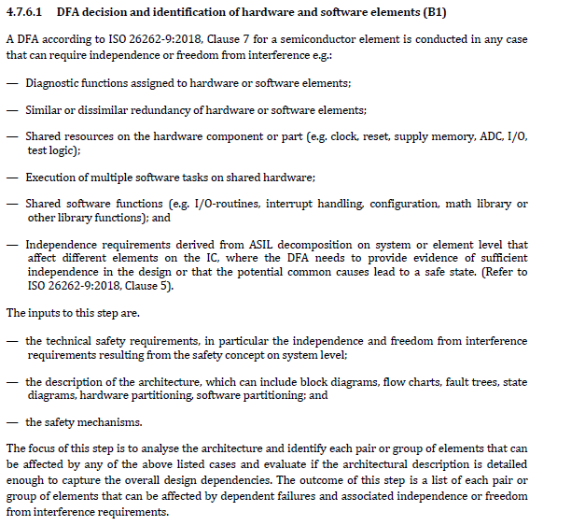

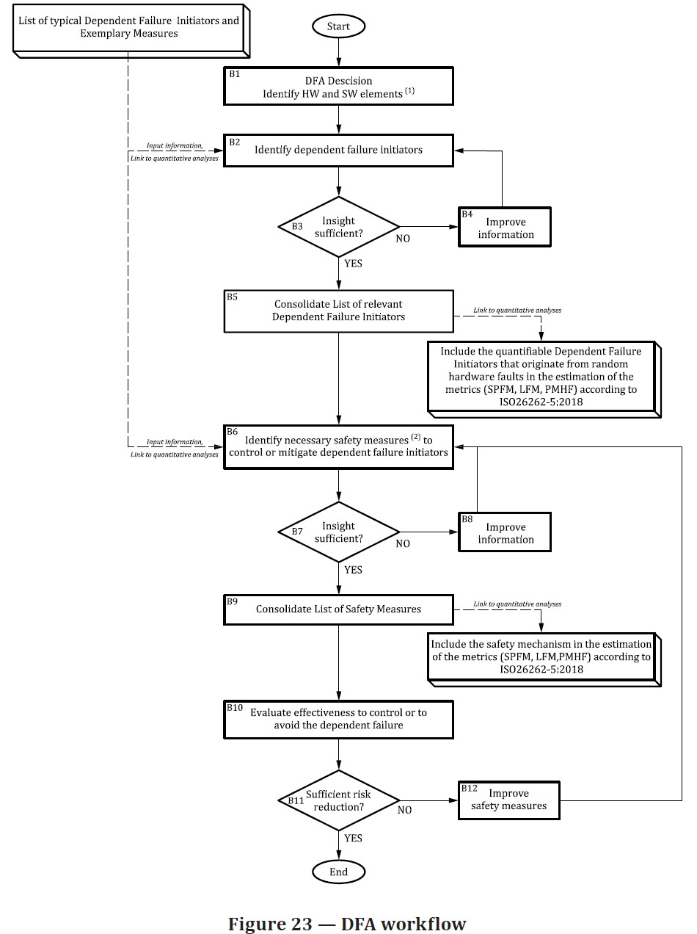

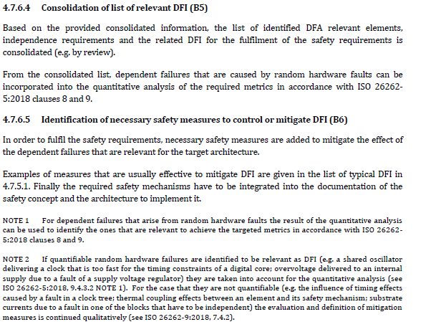

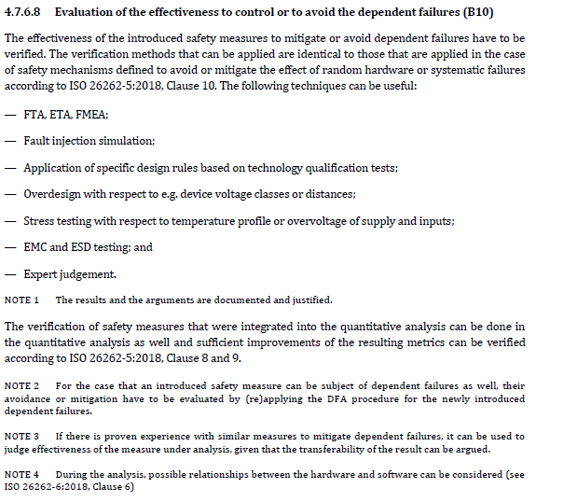

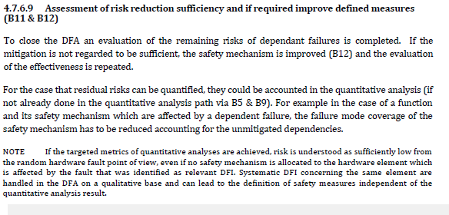

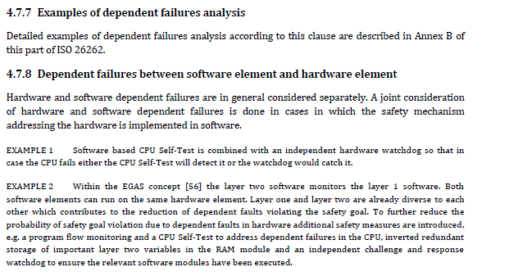

Block-Diagram
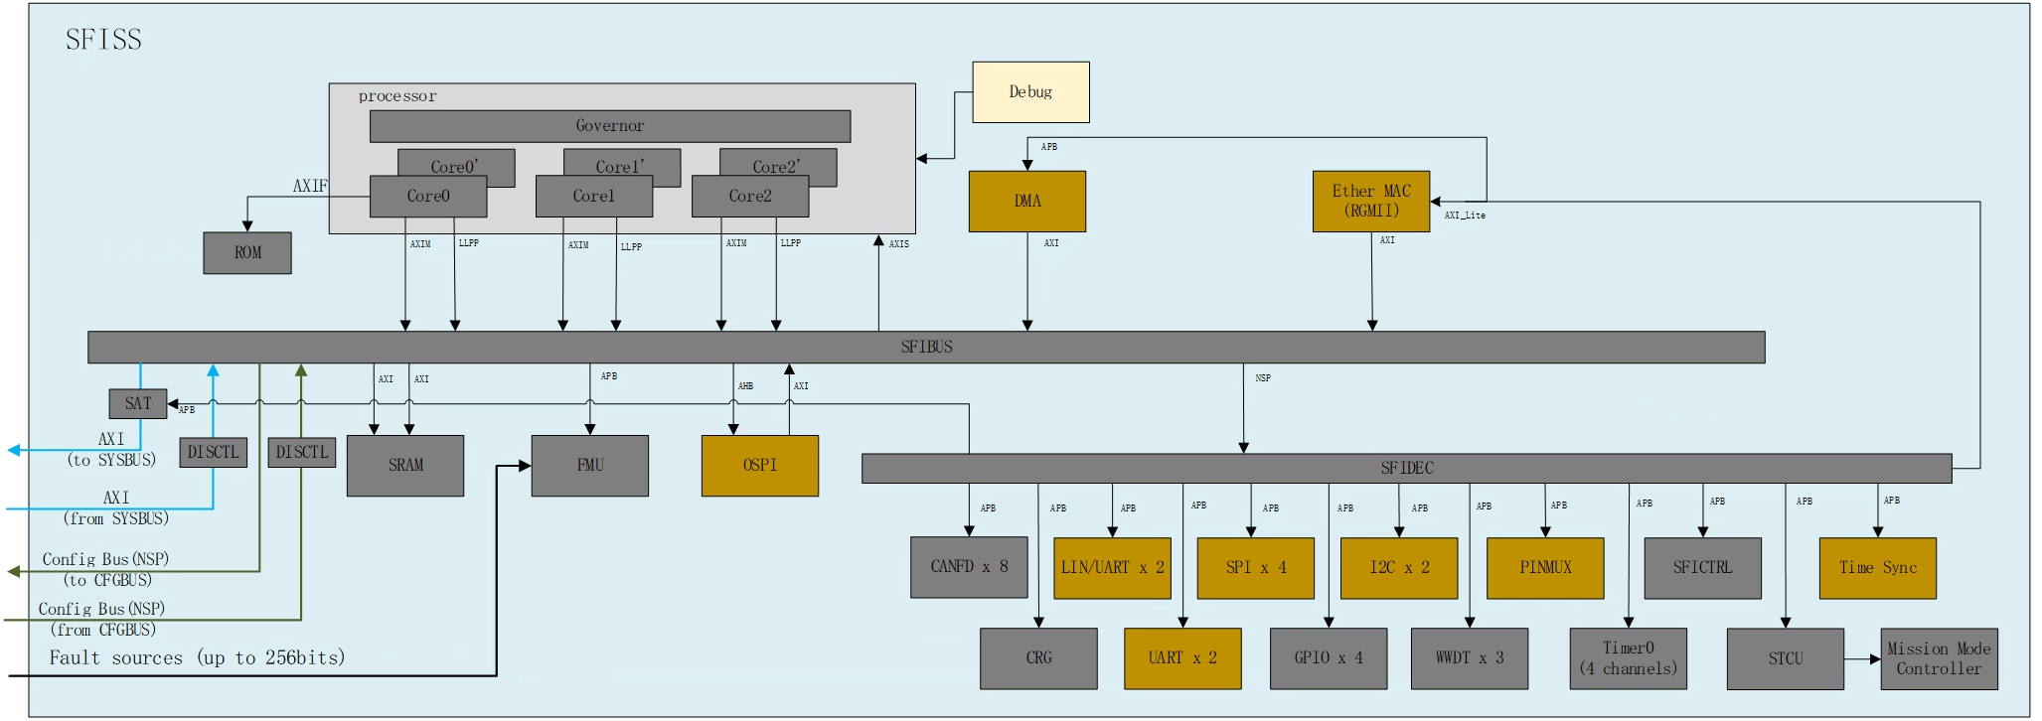
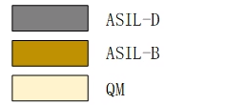
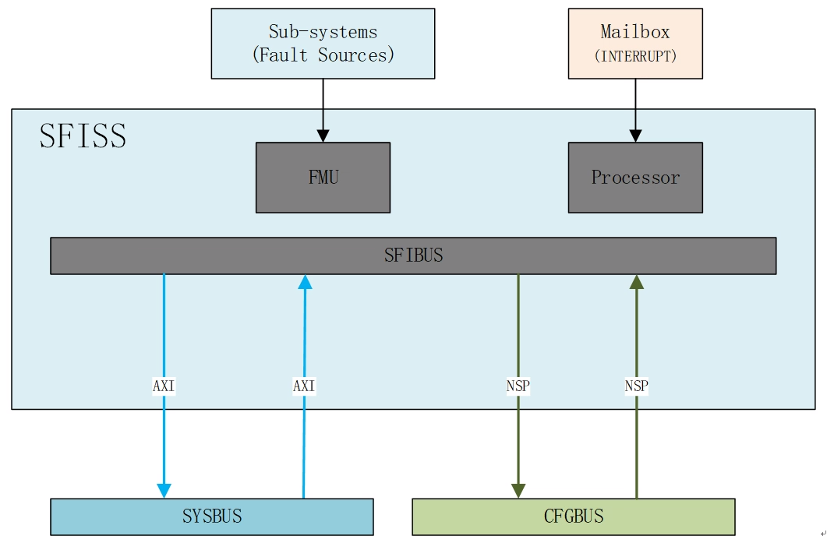
Block Diagram

DFA Examples
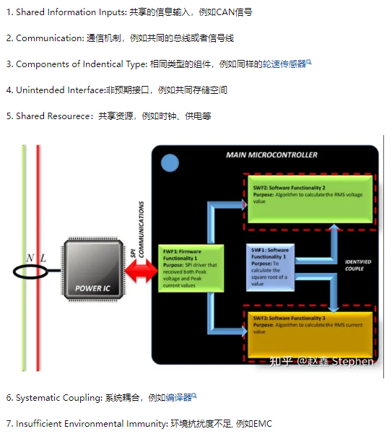
Coupling coefficient class | Topics | Examples in System | Examples in Hardware | Examples in Software | Examples in Semi-Conductors
共享资源： 使用相同的软、硬件或系统要素的两个要素，它们会受到共享资源失效或者不可用的影响 | a) 随机硬件失效 g) 共同外部资源或信息失效 | 电源 线束 数据和通信总线 功率级 | 时钟 两个关闭通道使用的相同H桥 插座插头连接器 | 被其他两个软件组件使用的软件组件，如： 数学或其他库 I/O程序，驱动 多个软件要素使用的硬件资源 | 共享资源失效 单一物理根本原因 如时钟、供电
共享信息输入： 从功能角度出发，无共享资源情况下，连接到相同信息源的两个功能也会使用相同的信息 | a) 随机硬件失效 | 外部消息（如CAN，Flexray或AUTOSATR RTE消息） 外部物理信号 电容/雷达检测到的读数值 | 连接到原始物理的数字或模拟信号源 | 两个软件函数的全局变量（常量） 一个软件函数传递给多个其他函数的数据/函数参数/消息 | 共享资源失效
环境抗干扰力不足： 相同/相似物理特性的要素，可能会受到相同的外部环境干扰的影响。 | f)环境因素 h)特定工况下的压力 | 机械耦合 易燃材料 | 电效应敏感度等级 硬件要素的接近程度 相同的外壳 | 不直接适用 | 环境故障 如EMC
系统耦合： 由于共同的系统性的人为错误或工具错误而导致的要素失效 | b)开发错误 c)生产错误 d)安装错误 e)服务错误 h)特定工况下的的压力 |  | 用于多个要素的相同生产过程 用于多个要素的相同维修过程 | 相同的软件工具（IDE、编译器、链接器、软件配置器） 相同的编程/建模语言 相同的编译器/链接器 | 开发错误 生产错误 安装错误 维修错误 如编译器
相同类型的组件： 由于共因失效，相同或非常相似组件的多个实例可能会共同失效。 | a) 随机硬件失效 b)开发错误 | 同类型的执行器，如电机 同类型的传感器 | 同类型的硬件组件/部件 不同微控制器的相同电源 相同的微控制器 相同的专用集成电路 | 相同源代码扩展两次（如C语言宏 不同位置调用的相同的库实例，或相同的标准软件模块实例，被认为是共享资源。 | 开发错误
通讯： 一个要素通过通信通道从另一个要素接收信息 | a) 随机硬件失效 b)开发错误 d)安装错误 e)服务错误 i)老化和磨损 | 同一系统的两个ECU之间的CAN连接 同一ECU内两个微控制器之间的通信 | 两个硬件要素之间的电气连接 | 通过全局变量的数据流 消息传递 传递参数的函数调用 | 共享资源失效 单一物理根本原因
非预期接口： 两个要素通过一个非预期接口直接相互影响 | a) 随机硬件失效 b)开发错误 d)安装错误 h)特定工况下的的压力 | 由于同步缺失，导致一个功能覆盖另一个功能 | 由于硬件要素距离近，导致信号线之间产生潜在的串扰、热冲击、干扰等 | 由于使用相同的内存空间，导致可能出现错误的内存分配或内存泄漏 | 单一物理根本原因

